Sheet1
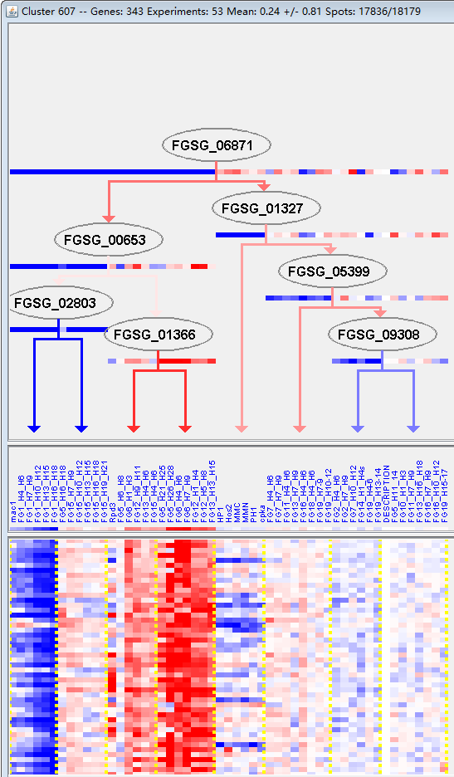
k | Filter | FUNCTIONAL CATEGORY | abs SET | rel SET | genes SET | abs GENOME | rel GENOME | rel SET/rel GENOME | P-VALUE | Bonferroni_corr | FDR
11.04.05 RNA topology | 2 | 0.69 | FGSG_11696 FGSG_08647 | 8 | 0.05 | 13.8 | 0.010995748353
30.05.01.05 interleukine receptor signalling pathway | 1 | 0.34 | FGSG_02349 | 2 | 0.01 | 34 | 0.040944897955
99 UNCLASSIFIED PROTEINS | 260 | 90.9 | FGSG_11658 FGSG_11678 FGSG_00111 FGSG_11686 FGSG_00154 FGSG_11688 FGSG_00157 FGSG_00164 FGSG_00193 FGSG_11711 FGSG_11718 FGSG_11731 FGSG_00245 FGSG_00322 FGSG_00431 FGSG_00441 FGSG_11779 FGSG_00557 FGSG_00772 FGSG_00779 FGSG_00785 FGSG_00851 FGSG_00889 FGSG_00891 FGSG_00927 FGSG_00928 FGSG_11863 FGSG_00977 FGSG_11874 FGSG_11875 FGSG_00993 FGSG_11881 FGSG_01076 FGSG_01077 FGSG_01078 FGSG_01218 FGSG_01384 FGSG_11949 FGSG_11957 FGSG_01520 FGSG_01597 FGSG_01676 FGSG_01707 FGSG_01714 FGSG_01834 FGSG_12018 FGSG_02017 FGSG_02089 FGSG_02128 FGSG_12072 FGSG_12080 FGSG_02190 FGSG_02198 FGSG_02242 FGSG_12101 FGSG_02253 FGSG_02260 FGSG_02310 FGSG_02381 FGSG_12124 FGSG_02451 FGSG_12140 FGSG_02673 FGSG_12195 FGSG_02745 FGSG_11806 FGSG_11527 FGSG_11584 FGSG_14028 FGSG_04620 FGSG_12240 FGSG_12241 FGSG_04462 FGSG_04417 FGSG_04331 FGSG_04303 FGSG_12285 FGSG_12288 FGSG_04138 FGSG_04116 FGSG_12304 FGSG_12318 FGSG_12322 FGSG_12324 FGSG_04047 FGSG_04009 FGSG_04007 FGSG_03937 FGSG_12366 FGSG_12385 FGSG_03704 FGSG_12394 FGSG_03621 FGSG_12408 FGSG_03573 FGSG_03499 FGSG_03492 FGSG_12423 FGSG_03479 FGSG_03472 FGSG_03421 FGSG_03386 FGSG_03357 FGSG_03301 FGSG_03297 FGSG_03254 FGSG_03253 FGSG_03228 FGSG_12512 FGSG_12532 FGSG_02988 FGSG_02954 FGSG_12576 FGSG_04940 FGSG_04956 FGSG_04960 FGSG_04964 FGSG_12656 FGSG_12664 FGSG_12665 FGSG_12682 FGSG_05115 FGSG_05166 FGSG_05178 FGSG_05228 FGSG_05325 FGSG_05340 FGSG_12730 FGSG_05548 FGSG_12757 FGSG_05570 FGSG_05667 FGSG_05710 FGSG_12793 FGSG_05746 FGSG_05749 FGSG_12804 FGSG_05814 FGSG_12825 FGSG_12826 FGSG_05877 FGSG_05878 FGSG_12833 FGSG_12835 FGSG_12842 FGSG_05941 FGSG_12844 FGSG_05961 FGSG_12845 FGSG_05988 FGSG_06131 FGSG_12876 FGSG_06223 FGSG_06248 FGSG_06253 FGSG_06254 FGSG_06293 FGSG_12906 FGSG_12923 FGSG_06489 FGSG_06519 FGSG_06601 FGSG_06617 FGSG_12965 FGSG_13020 FGSG_06976 FGSG_13034 FGSG_06994 FGSG_13065 FGSG_13093 FGSG_13096 FGSG_07270 FGSG_13124 FGSG_07352 FGSG_13140 FGSG_07507 FGSG_07533 FGSG_07581 FGSG_07656 FGSG_13195 FGSG_07725 FGSG_1320 | 7238 | 52.3 | 1.7380497132 | 3.73E-46

11.04.05 RNA拓扑
30.05.01.05白细胞介素受体信号通路
99未分类的蛋白质

